Residential HVAC
Residential heating

Incremental cost
$(307.00) |  | Table 8 capital cost
$113.50 |  | Account for homes with reference comparison of furnace alone, no air conditioning - at 20% of installs.
$184.71 |  | Panel cost
$(8.79) |  | Residential heat pump incremental

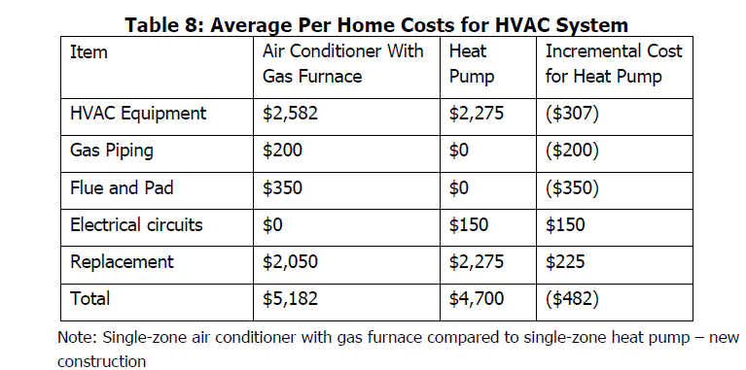
Capital cost (per Table 8)
Heat pump | Reference
2582 | 2275 | -307

Synapse study
 |  |  |  |  | These data are the basis for higher cost when reference unit is heat only (no AC)
 | Base with AC | Heat pump | Diff |  | Furnace only | Diff
SF Retro | $9,628 | $7,342 | $(2,286) |  | $6,628 | $714
SF New | $7,997 | $6,132 | $(1,865) |  | $4,997 | $1,135
M Retro | $6,065 | $4,505 | $(1,560) |  | $3,565 | $940
M New | $6,065 | $4,506 | $(1,559) |  | $3,565 | $941

 |  |  |  |  | $1,135 | use the largest differential in cost accounting
 |  |  |  |  | $113.50 | 10% in weighted average

Cost per unit | $184.71

Whether considering 2030 emissions or cumulative emission reductions,
the scenarios modeled for the 2022 Scoping Plan lead to building energy and emissions most
closely aligned to moderate and aggressive electrification scenarios.

Panel costs per CEC Building Decarbonizatoin Assessment (Figure C-47)
316,000,000 | Scenario 9, moderate scenario cost
1,260,000,000 | Scenario 10, efficient aggressive electrification
2,225,200,000 | Scenario 12, aggressive
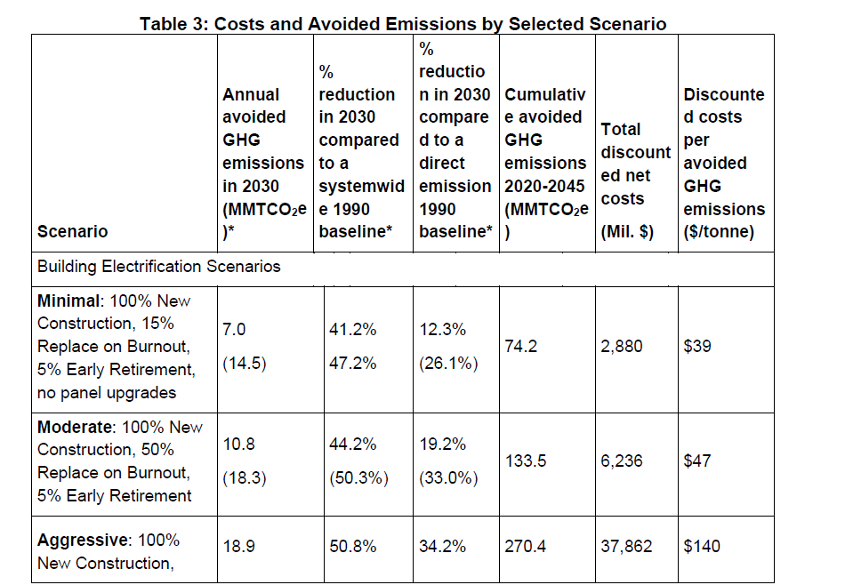
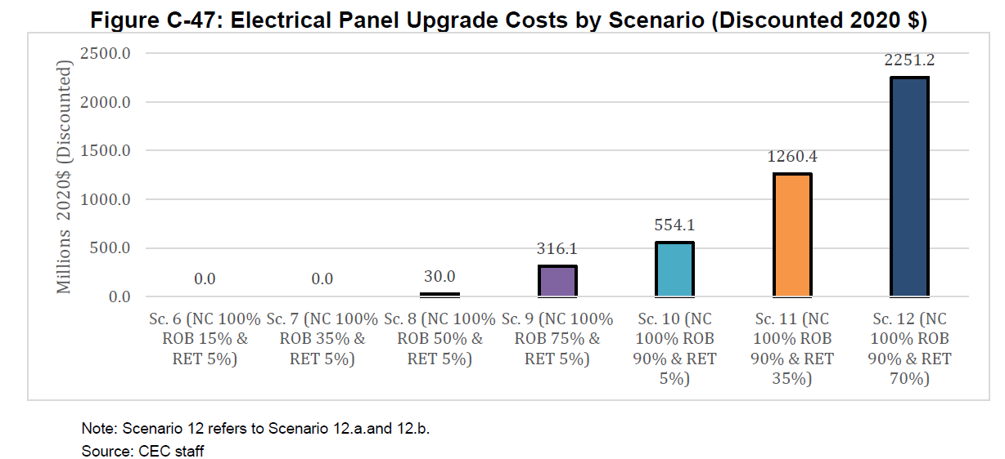

 | Heat pump units sold | 28579.469499 | 31048.239078 | 31622.226534 | 39055.479217 | 55264.409571 | 104789.79616 | 221283.36249 | 386830.41945 | 504892.27608 | 553582.14365 | 574785.11427 | 573181.11085 | 578730.56114 | 619792.85356 | 659732.90501 | 664611.99843 | 659022.94698 | 654969.73437 | 652393.45488 | 651072.61846 | 652530.24565 | 655027.43888 | 659108.7999 | 663782.27913 | 668686.87006 | 673169.13096
PSP Alt 3 | Sum 2025-2045 | 1.20E+07
Alt 1 sum of units | Sum 2025-2045 | 1.48E+07

E3 draft Scoping Plan data release - May 2022

Variable: | Residential Space Heating Sales
Units: | devices | Sold in 2015
 |  | 880,397.9
Scenario | Appliance Type | 2015 | 2016 | 2017 | 2018 | 2019 | 2020 | 2021 | 2022 | 2023 | 2024 | 2025 | 2026 | 2027 | 2028 | 2029 | 2030 | 2031 | 2032 | 2033 | 2034 | 2035 | 2036 | 2037 | 2038 | 2039 | 2040 | 2041 | 2042 | 2043 | 2044 | 2045
BAU Reference | Electric Resistance Heater | 101242.63887 | 98107.35063 | 97377.382951 | 91832.352047 | 91775.477782 | 89457.33597 | 97192.651533 | 98979.240534 | 102425.87107 | 104120.05746 | 104944.21649 | 102533.72075 | 99164.243554 | 96608.119695 | 95368.76081 | 94603.248145 | 94077.517323 | 93290.290975 | 92419.331034 | 91517.320767 | 90597.029909 | 89796.342835 | 89175.216325 | 88699.393013 | 88318.548434 | 88203.093117 | 88100.448051 | 88065.130111 | 87961.665186 | 87763.649039 | 87413.132513
 | Gas Furnace | 496532.35966 | 481106.10014 | 477514.99213 | 450524.42261 | 450232.96652 | 438429.75509 | 475759.62993 | 485488.15244 | 502468.99782 | 510837.47464 | 514926.19327 | 503113.25712 | 486625.6378 | 474124.69718 | 468036.95335 | 464306.45436 | 461802.42526 | 457925.55269 | 453639.3926 | 449161.18681 | 444613.74163 | 440661.95995 | 437588.5445 | 435253.90799 | 433361.86909 | 432803.67959 | 432289.30277 | 432113.54189 | 431617.84122 | 430635.68201 | 428902.28901
 | Gas Radiator | 5248.1938301 | 5013.661546 | 4928.3517855 | 4516.1775066 | 4446.7057104 | 4239.1739113 | 4642.3895656 | 4677.969305 | 4834.543553 | 4898.4250811 | 4941.7741032 | 4830.9761421 | 4705.0155611 | 4632.6210399 | 4636.7889231 | 4674.2918478 | 4727.5983354 | 4766.0182433 | 4796.2372748 | 4811.2246869 | 4812.6723841 | 4800.6627406 | 4776.8788566 | 4737.1357296 | 4684.0280117 | 4628.9920103 | 4563.2000597 | 4502.2592617 | 4439.4262458 | 4384.0645369 | 4334.3443208
 | Heat Pump | 32345.096301 | 31343.258889 | 31110.009625 | 29339.314106 | 29321.103776 | 28579.469499 | 31048.239078 | 31622.226534 | 33691.141255 | 36626.69927 | 44417.684359 | 61566.195105 | 85950.625392 | 103298.89747 | 110403.11214 | 113435.27875 | 112828.7969 | 111898.41761 | 110879.44655 | 109850.04834 | 108875.18349 | 108178.7551 | 107931.17854 | 108249.9673 | 109260.26278 | 111372.17507 | 114438.23617 | 118624.69988 | 123765.53242 | 129696.98619 | 136112.31273
 | LPG Furnace | 17534.538746 | 16989.534016 | 16862.663683 | 15913.015381 | 15902.733842 | 15493.077751 | 16800.187916 | 17145.881338 | 17744.862281 | 18040.653213 | 18185.270718 | 17768.155932 | 17186.13243 | 16744.993717 | 16530.120902 | 16398.656021 | 16310.893062 | 16174.325632 | 16023.299934 | 15865.299089 | 15705.010384 | 15565.776265 | 15457.481066 | 15375.369695 | 15308.755834 | 15289.31413 | 15271.220542 | 15265.238148 | 15248.230391 | 15214.195837 | 15153.585152
 | None | 227495.08587 | 227280.3908 | 228584.97496 | 227012.81363 | 227699.98087 | 223804.25268 | 228214.39468 | 227806.00057 | 229031.37897 | 230006.98576 | 231113.60149 | 231807.17762 | 232733.85164 | 233518.68046 | 234244.69392 | 234965.7004 | 235563.37685 | 236058.1245 | 236519.6827 | 236904.01582 | 237200.03731 | 237446.12769 | 237650.96393 | 237762.85455 | 237785.24326 | 237780.41171 | 237690.03396 | 237505.11651 | 237164.98669 | 236680.62847 | 236103.65422
Alt 1 | Electric Resistance Heater | 101242.63887 | 98107.35063 | 97377.382951 | 91832.352047 | 91775.477782 | 89457.33597 | 97192.651533 | 98979.240534 | 101550.22244 | 61738.522834 | 19194.006397 | 19025.535019 | 17428.156202 | 9705.6656408 | 1939.7392416 | 0 | 0 | 0 | 0 | 0 | 0 | 0 | 0 | 0 | 0 | 0 | 0 | 0 | 0 | 0 | 0
 | Gas Furnace | 496532.35966 | 481106.10014 | 477514.99213 | 450524.42261 | 450232.96652 | 438429.75509 | 475759.62993 | 485488.15244 | 498173.342 | 302903.70428 | 94178.573893 | 93354.642957 | 85524.654084 | 47632.598558 | 9519.5705302 | 0 | 0 | 0 | 0 | 0 | 0 | 0 | 0 | 0 | 0 | 0 | 0 | 0 | 0 | 0 | 0
 | Gas Radiator | 5248.1938301 | 5013.661546 | 4928.3517855 | 4516.1775066 | 4446.7057104 | 4239.1739113 | 4642.3895656 | 4677.969305 | 4793.2125749 | 2904.5463104 | 903.83678987 | 896.40661721 | 826.90840159 | 465.41295903 | 94.309303724 | 0 | 0 | 0 | 0 | 0 | 0 | 0 | 0 | 0 | 0 | 0 | 0 | 0 | 0 | 0 | 0
 | Heat Pump | 32345.096301 | 31343.258889 | 31110.009625 | 29339.314106 | 29321.103776 | 28579.469499 | 31048.239078 | 31622.226534 | 39055.479217 | 296279.23826 | 569812.68624 | 573238.76926 | 586831.46628 | 635923.37812 | 683085.90502 | 693417.92912 | 2897904.3757 | 2832387.898 | 1479855.7401 | 459246.6498 | 397033.04577 | 167657.36913 | 174008.9684 | 185588.88885 | 205434.98 | 235500.91346 | 275531.40677 | 328955.30763 | 398476.49387 | 484644.70989 | 582877.94423
 | LPG Furnace | 17534.538746 | 16989.534016 | 16862.663683 | 15913.015381 | 15902.733842 | 15493.077751 | 16800.187916 | 17145.881338 | 17593.159746 | 10697.29798 | 3326.0356232 | 3296.9511925 | 3020.4697758 | 1682.273816 | 336.21202487 | 0 | 0 | 0 | 0 | 0 | 0 | 0 | 0 | 0 | 0 | 0 | 0 | 0 | 0 | 0 | 0
 | None | 227495.08587 | 227280.3908 | 228584.97496 | 227012.81363 | 227699.98087 | 223804.25268 | 228214.39468 | 227806.00057 | 229031.37897 | 230006.98576 | 231113.60149 | 231807.17762 | 232733.85164 | 233518.68046 | 234244.69392 | 234965.7004 | 235563.37686 | 235793.38635 | 235976.83056 | 236162.06089 | 236175.32445 | 236056.5146 | 236016.09605 | 235850.58784 | 235629.6635 | 235429.033 | 235206.09794 | 234895.42452 | 234469.56965 | 233968.73965 | 233464.76931
Alt 2 | Electric Resistance Heater | 101242.63887 | 98107.35063 | 97377.382951 | 91832.352047 | 91775.477782 | 89457.33597 | 97192.651533 | 98979.240534 | 101550.22244 | 101077.93521 | 95090.827609 | 76466.873412 | 50065.266068 | 31084.563417 | 23067.333548 | 19350.664393 | 19008.327056 | 17173.156661 | 9450.2631844 | 1870.7887594 | 0 | 0 | 0 | 0 | 0 | 0 | 0 | 0 | 0 | 0 | 0
 | Gas Furnace | 496532.35966 | 481106.10014 | 477514.99213 | 450524.42261 | 450232.96652 | 438429.75509 | 475759.62993 | 485488.15244 | 498173.342 | 495912.10789 | 466578.90746 | 375208.24819 | 245683.738 | 152554.0427 | 113206.50938 | 94971.774756 | 93307.007178 | 84296.312014 | 46386.53021 | 9181.7146243 | 0 | 0 | 0 | 0 | 0 | 0 | 0 | 0 | 0 | 0 | 0
 | Gas Radiator | 5248.1938301 | 5013.661546 | 4928.3517855 | 4516.1775066 | 4446.7057104 | 4239.1739113 | 4642.3895656 | 4677.969305 | 4793.2125749 | 4755.3056068 | 4477.7826263 | 3602.8112353 | 2375.4313801 | 1490.5890205 | 1121.5240271 | 956.10515068 | 955.21728457 | 877.38254877 | 490.52595106 | 98.41194183 | 0 | 0 | 0 | 0 | 0 | 0 | 0 | 0 | 0 | 0 | 0
 | Heat Pump | 32345.096301 | 31343.258889 | 31110.009625 | 29339.314106 | 29321.103776 | 28579.469499 | 31048.239078 | 31622.226534 | 39055.479217 | 55264.409571 | 104789.79616 | 221283.36249 | 386830.41945 | 504892.27608 | 553582.14365 | 574785.11427 | 573181.11085 | 578730.56114 | 619792.85356 | 659732.90501 | 664611.99843 | 659022.94698 | 654969.73437 | 652393.45488 | 651072.61846 | 652530.24565 | 655027.43888 | 659108.7999 | 663782.27913 | 668686.87006 | 673169.13096
 | LPG Furnace | 17534.538746 | 16989.534016 | 16862.663683 | 15913.015381 | 15902.733842 | 15493.077751 | 16800.187916 | 17145.881338 | 17593.159746 | 17513.551387 | 16477.825084 | 13251.009721 | 8676.7998416 | 5387.8578814 | 3998.2255111 | 3354.2705497 | 3295.6098411 | 2977.4184876 | 1638.4496442 | 324.31711058 | 0 | 0 | 0 | 0 | 0 | 0 | 0 | 0 | 0 | 0 | 0
 | None | 227495.08587 | 227280.3908 | 228584.97496 | 227012.81363 | 227699.98087 | 223804.25268 | 228214.39468 | 227806.00057 | 229031.37897 | 230006.98576 | 231113.60149 | 231807.17762 | 232733.85164 | 233518.68046 | 234244.69392 | 234965.7004 | 235563.37686 | 236058.12457 | 236519.68307 | 236904.0173 | 237200.04207 | 237446.14039 | 237650.99321 | 237762.91773 | 237785.37158 | 237780.65509 | 237690.45801 | 237505.85279 | 237166.25532 | 236682.76103 | 236106.96858
Alt 3 | Electric Resistance Heater | 101242.63887 | 98107.35063 | 97377.382951 | 91832.352047 | 91775.477782 | 89457.33597 | 97192.651533 | 98979.240534 | 101550.22244 | 101077.93521 | 95090.827609 | 76466.873412 | 50065.266068 | 31084.563417 | 23067.333548 | 19350.664393 | 19008.327056 | 17173.156661 | 9450.2631844 | 1870.7887594 | 0 | 0 | 0 | 0 | 0 | 0 | 0 | 0 | 0 | 0 | 0
 | Gas Furnace | 496532.35966 | 481106.10014 | 477514.99213 | 450524.42261 | 450232.96652 | 438429.75509 | 475759.62993 | 485488.15244 | 498173.342 | 495912.10789 | 466578.90746 | 375208.24819 | 245683.738 | 152554.0427 | 113206.50938 | 94971.774756 | 93307.007178 | 84296.312014 | 46386.53021 | 9181.7146243 | 0 | 0 | 0 | 0 | 0 | 0 | 0 | 0 | 0 | 0 | 0
 | Gas Radiator | 5248.1938301 | 5013.661546 | 4928.3517855 | 4516.1775066 | 4446.7057104 | 4239.1739113 | 4642.3895656 | 4677.969305 | 4793.2125749 | 4755.3056068 | 4477.7826263 | 3602.8112353 | 2375.4313801 | 1490.5890205 | 1121.5240271 | 956.10515068 | 955.21728457 | 877.38254877 | 490.52595106 | 98.41194183 | 0 | 0 | 0 | 0 | 0 | 0 | 0 | 0 | 0 | 0 | 0
 | Heat Pump | 32345.096301 | 31343.258889 | 31110.009625 | 29339.314106 | 29321.103776 | 28579.469499 | 31048.239078 | 31622.226534 | 39055.479217 | 55264.409571 | 104789.79616 | 221283.36249 | 386830.41945 | 504892.27608 | 553582.14365 | 574785.11427 | 573181.11085 | 578730.56114 | 619792.85356 | 659732.90501 | 664611.99843 | 659022.94698 | 654969.73437 | 652393.45488 | 651072.61846 | 652530.24565 | 655027.43888 | 659108.7999 | 663782.27913 | 668686.87006 | 673169.13096
 | LPG Furnace | 17534.538746 | 16989.534016 | 16862.663683 | 15913.015381 | 15902.733842 | 15493.077751 | 16800.187916 | 17145.881338 | 17593.159746 | 17513.551387 | 16477.825084 | 13251.009721 | 8676.7998416 | 5387.8578814 | 3998.2255111 | 3354.2705497 | 3295.6098411 | 2977.4184876 | 1638.4496442 | 324.31711058 | 0 | 0 | 0 | 0 | 0 | 0 | 0 | 0 | 0 | 0 | 0
 | None | 227495.08587 | 227280.3908 | 228584.97496 | 227012.81363 | 227699.98087 | 223804.25268 | 228214.39468 | 227806.00057 | 229031.37897 | 230006.98576 | 231113.60149 | 231807.17762 | 232733.85164 | 233518.68046 | 234244.69392 | 234965.7004 | 235563.37686 | 236058.12457 | 236519.68307 | 236904.0173 | 237200.04207 | 237446.14039 | 237650.99321 | 237762.91773 | 237785.37158 | 237780.65509 | 237690.45801 | 237505.85279 | 237166.25532 | 236682.76103 | 236106.96858
Alt 4 | Electric Resistance Heater | 101242.63887 | 98107.35063 | 97377.382951 | 91832.352047 | 91775.477782 | 89457.33597 | 97192.651533 | 98979.240534 | 101600.25951 | 101251.77077 | 95653.878402 | 77956.407546 | 52870.921924 | 34828.766633 | 27198.843677 | 23650.812036 | 23232.410597 | 20989.467847 | 11550.443633 | 2286.601062 | 0 | 0 | 0 | 0 | 0 | 0 | 0 | 0 | 0 | 0 | 0
 | Gas Furnace | 496532.35966 | 481106.10014 | 477514.99213 | 450524.42261 | 450232.96652 | 438429.75509 | 475759.62993 | 485488.15244 | 498418.80805 | 496764.98599 | 469341.60951 | 382517.10584 | 259451.84656 | 170929.50867 | 133482.53475 | 116076.61359 | 114041.95095 | 103029.09144 | 56695.246356 | 11222.495318 | 0 | 0 | 0 | 0 | 0 | 0 | 0 | 0 | 0 | 0 | 0
 | Gas Radiator | 5248.1938301 | 5013.661546 | 4928.3517855 | 4516.1775066 | 4446.7057104 | 4239.1739113 | 4642.3895656 | 4677.969305 | 4795.5743451 | 4763.4838624 | 4504.2964249 | 3672.9920871 | 2508.5504761 | 1670.1337073 | 1322.3963068 | 1168.5729619 | 1167.4877923 | 1072.3564485 | 599.53171789 | 120.28126218 | 0 | 0 | 0 | 0 | 0 | 0 | 0 | 0 | 0 | 0 | 0
 | Heat Pump | 32345.096301 | 31343.258889 | 31110.009625 | 29339.314106 | 29321.103776 | 28579.469499 | 31048.239078 | 31622.226534 | 38748.945619 | 54199.397554 | 101339.9612 | 212156.66721 | 369637.28836 | 481944.08301 | 528257.62756 | 548422.26653 | 547277.45105 | 555324.8258 | 606910.77785 | 657182.18338 | 664611.52068 | 659021.83555 | 654967.42379 | 652389.01595 | 651064.67008 | 652516.96563 | 655006.78442 | 659078.71704 | 663741.02556 | 668633.53566 | 673104.10613
 | LPG Furnace | 17534.538746 | 16989.534016 | 16862.663683 | 15913.015381 | 15902.733842 | 15493.077751 | 16800.187916 | 17145.881338 | 17601.828462 | 17543.671491 | 16575.393406 | 13509.132361 | 9163.0474181 | 6036.837072 | 4714.3338192 | 4099.6640052 | 4027.9694653 | 3639.0764221 | 2002.5706965 | 396.40169512 | 0 | 0 | 0 | 0 | 0 | 0 | 0 | 0 | 0 | 0 | 0
 | None | 227495.08587 | 227280.3908 | 228584.97496 | 227012.81363 | 227699.98087 | 223804.25268 | 228214.39468 | 227806.00057 | 229031.37897 | 230006.98576 | 231113.60149 | 231807.17762 | 232733.85164 | 233518.68046 | 234244.69392 | 234965.7004 | 235563.37686 | 236058.12457 | 236519.68305 | 236904.01722 | 237200.0418 | 237446.13967 | 237650.99154 | 237762.91412 | 237785.36425 | 237780.64121 | 237690.43398 | 237505.81145 | 237166.18503 | 236682.64518 | 236106.7935

Commercial HVAC
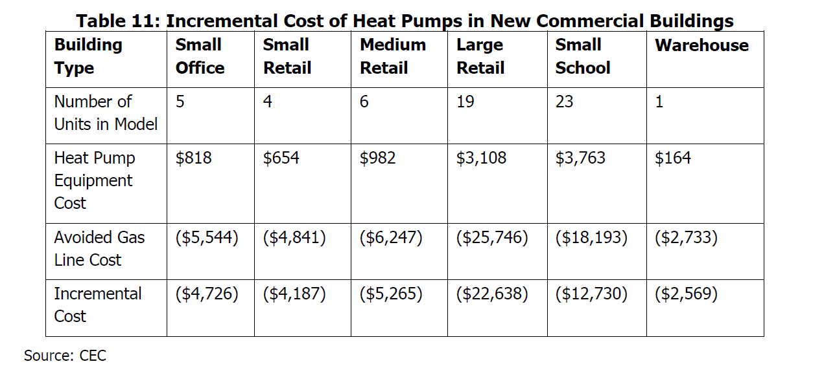
Spectrum of cases -->
Cost difference | 818 | 654 | 982 | 3108 | 3763 | 164
Units | 4 | 4 | 6 | 19 | 23 | 1
Unit incremental cost | 204.50 | 163.50 | 163.67 | 163.58 | 163.61 | 164.00

mean | 170

HPWH
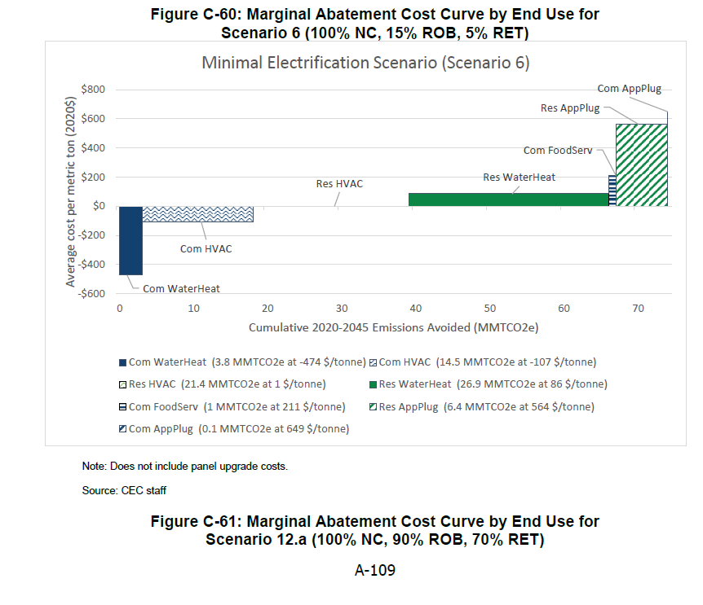
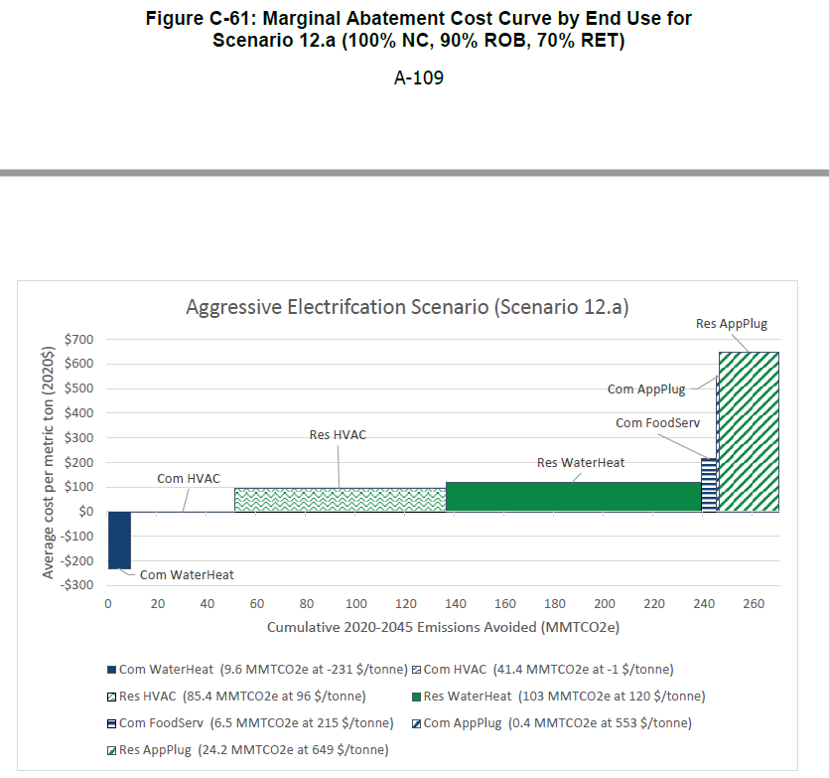
Time series (adjusting at same year-over-year rate as space heating)
 | 2020 | 2021 | 2022 | 2023 | 2024 | 2025 | 2026 | 2027 | 2028 | 2029 | 2030 | 2031 | 2032 | 2033 | 2034 | 2035 | 2036 | 2037 | 2038 | 2039 | 2040 | 2041 | 2042 | 2043 | 2044 | 2045 | 2046 | 2047 | 2048 | 2049 | 2050
Commercial | 1.87E-06 | 1.79E-06 | 1.83E-06 | 1.81E-06 | 1.79E-06 | 1.77E-06 | 1.74E-06 | 1.71E-06 | 1.69E-06 | 1.66E-06 | 1.63E-06 | 1.61E-06 | 1.59E-06 | 1.57E-06 | 1.55E-06 | 1.53E-06 | 1.51E-06 | 1.50E-06 | 1.48E-06 | 1.47E-06 | 1.45E-06 | 1.44E-06 | 1.42E-06 | 1.41E-06 | 1.39E-06 | 1.38E-06 | 1.37E-06 | 1.35E-06 | 1.34E-06 | 1.33E-06 | 1.31E-06
Residential | 2.78E-06 | 2.65E-06 | 2.72E-06 | 2.69E-06 | 2.66E-06 | 2.62E-06 | 2.58E-06 | 2.54E-06 | 2.50E-06 | 2.46E-06 | 2.43E-06 | 2.39E-06 | 2.36E-06 | 2.33E-06 | 2.30E-06 | 2.27E-06 | 2.24E-06 | 2.22E-06 | 2.20E-06 | 2.17E-06 | 2.15E-06 | 2.13E-06 | 2.11E-06 | 2.09E-06 | 2.07E-06 | 2.05E-06 | 2.03E-06 | 2.01E-06 | 1.99E-06 | 1.97E-06 | 1.95E-06
Calculations
$/Btu
1.87E-06 | Commercial | (No financing costs incurred)
2.78E-06 | Residential

Absolute cost per unit
$246.82 | Installation incremental
366.24 | Financed cost

Annual energy use
 | 12.50 | MMBtu
 | 1.25E+07 | Btu per year |  |  |  |  |  | https://www.regulations.gov/document/EERE-2017-BT-STD-0019-0023
 | 10.55 | average lifetime
 | 1.32E+08 | average Btus lifetime

Data
GSWH | 1 | 0 | GSWH SP, Atm. Vent | 0.58 | 12.89225753 | 0 | 581.69651979 | 1606.831107 | 2188.5276268
GSWH | 2 | 1 | GSWH SP, Atm. Vent | 0.6 | 12.182729051 | 0 | 647.82038258 | 1606.831107 | 2254.6514896
GSWH | 3 | 2 | GSWH Multiple Designs | 0.64 | 11.110119046 | 0 | 699.44143605 | 1606.831107 | 2306.272543
GSWH | 4 | 3 | GSWH Elec. Ignition, Power Vent | 0.65 | 10.858143361 | 45.808358662 | 735.70277861 | 1427.6532175 | 2163.3559961
GSWH | 5 | 4 | GSWH Elec. Ignition, Condensing | 0.75 | 9.1986735331 | 48.123118574 | 990.43943492 | 1450.8014792 | 2441.2409141
GSWH | 6 | 5 | GSWH Elec. Ignition, Condensing | 0.75 | 8.3601825351 | 45.732790362 | 1138.948912 | 1450.8014792 | 2589.7503912
GIWH | 17 | 0 | GIWH Non-Condensing | 3.8995 | 13.182430319 | 30.794622654 | 735.07620856 | 523.33769313 | 1258.4139017
GIWH | 18 | 1 | GIWH Condensing | 0.81 | 11.982649874 | 36.151546073 | 992.88470495 | 444.39870829 | 1437.2834132
GIWH | 19 | 2 | GIWH Condensing | 0.89 | 11.468298308 | 35.915823144 | 1010.2578482 | 444.39870829 | 1454.6565565
GIWH | 20 | 3 | GIWH Condensing | 0.93 | 11.030338024 | 24.327782942 | 1059.1206135 | 444.39870829 | 1503.5193218
GEWH | 21 | 0 | GEWH 2" Foam Insulation | 0.97 | 0 | 4928.8099309 | 809.86808641 | 583.78772364 | 1393.6558101
GEWH | 22 | 1 | GEWH 4" Foam Insulation | 0.92 | 0 | 4890.6351828 | 966.75128235 | 583.78772364 | 1550.539006

 |  |  |  |  |  |  |  | mean | $1,878.49

 |  |  |  |  |  |  |  | mean | $2,125.30

OSWH | 7 | 0 | OSWH 1" Insulation | 0.81 | 15.993037634 | 61.770075268 | 2470.526855 | 995.27535875 | 3465.8022137
OSWH | 8 | 1 | OSWH 2" Insulation | 0.64 | 15.200304919 | 60.184609837 | 2525.1020735 | 995.27535875 | 3520.3774322
OSWH | 9 | 2 | OSWH 2" Insulation | 0.66 | 14.454203539 | 58.692407079 | 2665.3153741 | 995.27535875 | 3660.5907328
ESWH | 10 | 0 | ESWH Elec. Resistance | 0.68 | 0 | 2753.6130485 | 466.60656877 | 307.94817263 | 774.55474139
ESWH | 11 | 1 | ESWH Elec. Resistance | 0.92 | 0 | 2734.5242061 | 488.24290315 | 307.94817263 | 796.19107578
ESWH | 12 | 2 | ESWH Heat Pump | 0.93 | 0.7443294215 | 848.20078244 | 1076.8521017 | 580.0881408 | 1656.9402425
ESWH | 13 | 3 | ESWH Heat Pump | 3.2967 | 0.700910609 | 777.03933123 | 1301.0927301 | 580.0881408 | 1881.1808709
ESWH>55 | 14 | 0 | ESWH>55 Heat Pump | 3.6967 | 0 | 192.38274625 | 475.02688803 | 1314.4720317 | 1789.4989197
ESWH>55 | 15 | 1 | ESWH>55 Heat Pump | 2.05 | 0 | 178.81387457 | 500.76757082 | 1314.4720317 | 1815.2396025
ESWH>55 | 16 | 2 | ESWH>55 Heat Pump | 3.3495 | 0 | 176.2941437 | 578.20047333 | 1314.4720317 | 1892.672505

366.24 | Financed cost
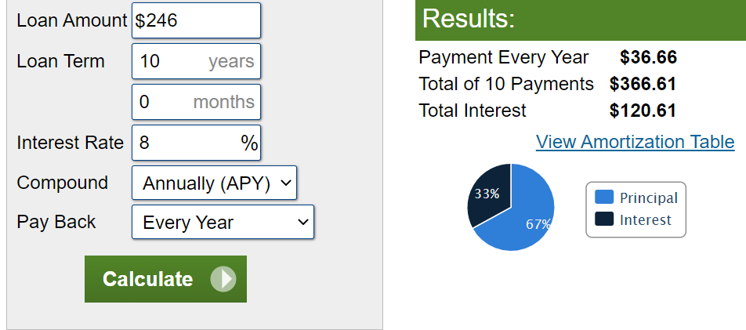

Note regarding data for commercial appliances (water heaters)

The CEC's Building Decarbonization Assessment report identifies commercial electrification as more cost effective than residential.
This is true across a range of scenarios, as shown in figure excerpts below. The CEC finds commerical building electrification offers net cost savings.

Absent better commercial heat pump data -- the CEC's report details commericial heat pump space heater costs but not for HPWH.
Input data are set to residential HPWH price as an approximation for commercial price.

Calculations
Residential Heating
Heating Energy Consumption per Unit per Year by Fuel (btu/unit) | 2019 | 2020 | 2021 | 2022 | 2023 | 2024 | 2025 | 2026 | 2027 | 2028 | 2029 | 2030 | 2031 | 2032 | 2033 | 2034 | 2035 | 2036 | 2037 | 2038 | 2039 | 2040 | 2041 | 2042 | 2043 | 2044 | 2045 | 2046 | 2047 | 2048 | 2049 | 2050
natural gas demand |  | 5.70E+07 | 5.44E+07 | 5.58E+07 | 5.52E+07 | 5.46E+07 | 5.39E+07 | 5.31E+07 | 5.22E+07 | 5.14E+07 | 5.06E+07 | 4.98E+07 | 4.91E+07 | 4.84E+07 | 4.78E+07 | 4.72E+07 | 4.66E+07 | 4.61E+07 | 4.56E+07 | 4.51E+07 | 4.47E+07 | 4.42E+07 | 4.38E+07 | 4.33E+07 | 4.29E+07 | 4.25E+07 | 4.21E+07 | 4.17E+07 | 4.12E+07 | 4.09E+07 | 4.05E+07 | 4.01E+07

Incremental Equipment Cost | 2017 | 2020 | 2030 | 2040 | 2050
convert to 2012$s | -7.820166063 | -7.820166063 | -7.820166063 | -7.820166063 | -7.820166063
natural gas (2020 USD) | -7.820166063 | -7.820166063 | -7.820166063 | -7.820166063 | -7.820166063
Annualized Incremental Equipment Cost | 2019 | 2020 | 2021 | 2022 | 2023 | 2024 | 2025 | 2026 | 2027 | 2028 | 2029 | 2030 | 2031 | 2032 | 2033 | 2034 | 2035 | 2036 | 2037 | 2038 | 2039 | 2040 | 2041 | 2042 | 2043 | 2044 | 2045 | 2046 | 2047 | 2048 | 2049 | 2050
natural gas (2012 USD) | -7.32E+00 | -7.3248335797 | -7.3248335797 | -7.3248335797 | -7.3248335797 | -7.3248335797 | -7.3248335797 | -7.3248335797 | -7.3248335797 | -7.3248335797 | -7.3248335797 | -7.3248335797 | -7.3248335797 | -7.3248335797 | -7.3248335797 | -7.3248335797 | -7.3248335797 | -7.3248335797 | -7.3248335797 | -7.3248335797 | -7.3248335797 | -7.3248335797 | -7.3248335797 | -7.3248335797 | -7.3248335797 | -7.3248335797 | -7.3248335797 | -7.3248335797 | -7.3248335797 | -7.3248335797 | -7.3248335797 | -7.3248335797

Annualized Incremental Cost per BTU Shifted | 2019 | 2020 | 2021 | 2022 | 2023 | 2024 | 2025 | 2026 | 2027 | 2028 | 2029 | 2030 | 2031 | 2032 | 2033 | 2034 | 2035 | 2036 | 2037 | 2038 | 2039 | 2040 | 2041 | 2042 | 2043 | 2044 | 2045 | 2046 | 2047 | 2048 | 2049 | 2050
natural gas (2012 $s) | -1.28E-07 | -1.28E-07 | -1.35E-07 | -1.31E-07 | -1.33E-07 | -1.34E-07 | -1.36E-07 | -1.38E-07 | -1.40E-07 | -1.42E-07 | -1.45E-07 | -1.47E-07 | -1.49E-07 | -1.51E-07 | -1.53E-07 | -1.55E-07 | -1.57E-07 | -1.59E-07 | -1.61E-07 | -1.62E-07 | -1.64E-07 | -1.66E-07 | -1.67E-07 | -1.69E-07 | -1.71E-07 | -1.72E-07 | -1.74E-07 | -1.76E-07 | -1.78E-07 | -1.79E-07 | -1.81E-07 | -1.83E-07

Commercial Heating
Heating Energy Consumption per Unit per Year by Fuel (btu/unit) | 2019 | 2020 | 2021 | 2022 | 2023 | 2024 | 2025 | 2026 | 2027 | 2028 | 2029 | 2030 | 2031 | 2032 | 2033 | 2034 | 2035 | 2036 | 2037 | 2038 | 2039 | 2040 | 2041 | 2042 | 2043 | 2044 | 2045 | 2046 | 2047 | 2048 | 2049 | 2050
natural gas | 5.70E+07 | 5.70E+07 | 5.44E+07 | 5.58E+07 | 5.52E+07 | 5.46E+07 | 5.39E+07 | 5.31E+07 | 5.22E+07 | 5.14E+07 | 5.06E+07 | 4.98E+07 | 4.91E+07 | 4.84E+07 | 4.78E+07 | 4.72E+07 | 4.66E+07 | 4.61E+07 | 4.56E+07 | 4.51E+07 | 4.47E+07 | 4.42E+07 | 4.38E+07 | 4.33E+07 | 4.29E+07 | 4.25E+07 | 4.21E+07 | 4.17E+07 | 4.12E+07 | 4.09E+07 | 4.05E+07 | 4.01E+07

Incremental Equipment Cost | 2017 | 2020 | 2030 | 2040 | 2050
natural gas (2017 USD) | 170 | 170 | 170 | 170 | 170

Annualized Incremental Equipment Cost | 2019 | 2020 | 2021 | 2022 | 2023 | 2024 | 2025 | 2026 | 2027 | 2028 | 2029 | 2030 | 2031 | 2032 | 2033 | 2034 | 2035 | 2036 | 2037 | 2038 | 2039 | 2040 | 2041 | 2042 | 2043 | 2044 | 2045 | 2046 | 2047 | 2048 | 2049 | 2050
natural gas (2012 USD) | 159.67771729 | 159.67771729 | 159.67771729 | 159.67771729 | 159.67771729 | 159.67771729 | 159.67771729 | 159.67771729 | 159.67771729 | 159.67771729 | 159.67771729 | 159.67771729 | 159.67771729 | 159.67771729 | 159.67771729 | 159.67771729 | 159.67771729 | 159.67771729 | 159.67771729 | 159.67771729 | 159.67771729 | 159.67771729 | 159.67771729 | 159.67771729 | 159.67771729 | 159.67771729 | 159.67771729 | 159.67771729 | 159.67771729 | 159.67771729 | 159.67771729 | 159.67771729

Annualized Incremental Cost per BTU Shifted | 2019 | 2020 | 2021 | 2022 | 2023 | 2024 | 2025 | 2026 | 2027 | 2028 | 2029 | 2030 | 2031 | 2032 | 2033 | 2034 | 2035 | 2036 | 2037 | 2038 | 2039 | 2040 | 2041 | 2042 | 2043 | 2044 | 2045 | 2046 | 2047 | 2048 | 2049 | 2050
natural gas | 2.80E-06 | 2.80E-06 | 2.93E-06 | 2.86E-06 | 2.89E-06 | 2.92E-06 | 2.96E-06 | 3.01E-06 | 3.06E-06 | 3.11E-06 | 3.15E-06 | 3.20E-06 | 3.25E-06 | 3.30E-06 | 3.34E-06 | 3.38E-06 | 3.42E-06 | 3.46E-06 | 3.50E-06 | 3.54E-06 | 3.58E-06 | 3.61E-06 | 3.65E-06 | 3.68E-06 | 3.72E-06 | 3.76E-06 | 3.80E-06 | 3.83E-06 | 3.87E-06 | 3.91E-06 | 3.95E-06 | 3.98E-06

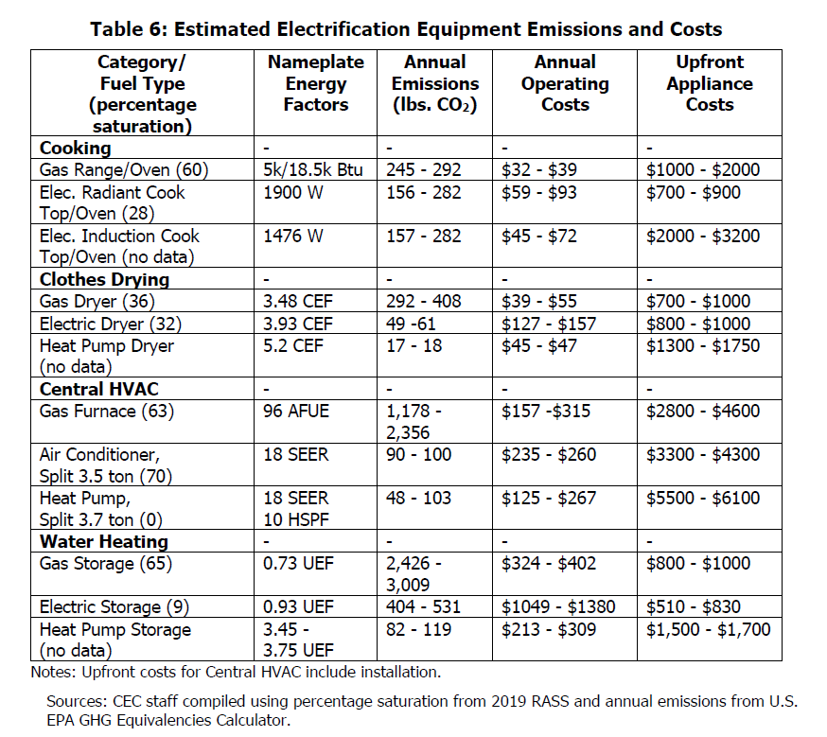
Other energy use
Water heating incremental cost in appliance heating category is populated by data from a recent US Department of Energy policymaking docket.
For other energy, apply the ratio of upfront appliance costs for clothes drying from Table 6 to water heating value in appliance heating

CEC
2021
Building Decarbonization Volume, integrated energy policy report
https://efiling.energy.ca.gov/GetDocument.aspx?tn=241599

natural gas | 850
electric | 1525

ratio of electric over natural gas | 1.7941176471

